1. Title Page
Basket analysis

Project goal: Analysing sales data of the online grocery Instacart to suggest strategies for better segmentation and customer targetting
Date: 19.02.203
Analyst Name: Daniela Dietmayr
Data: The Instacart Online Grocery Shopping Dataset
2017”, Accessed from https://www.instacart.com/datasets/grocery-shopping-2017 on 19.01.2023.

Contents:
Population Flow
Consistency checks
Wrangling steps
Column derivations
Visualizations
Recommendations

2. Population Flow
Title page

Population flow

Exclusion flag
Condition: max_order <= 5
Obervations to be removed: 1440045
Final total count of 2023-02-18_ords_prods_cust_deps_no_pii_reg_act.pkl: 30959687

Orders_products_combined
Orders_products_merged
2023-02-18_ords_prods_cust_deps_no_pii.pkl

Total: 32404859
Total: 32434489
Total: 32399732

1.) The grey boxes in the first row of the population flow represent the original data sets as they were when you downloaded them. In the Total fields you need to add the count of the rows when you imported the data set into Jupyter.
2.) The second row of boxes (coloured) represents the data sets after you manipulated them, e.g., removed missing values and duplicates. In the Total fields you need to add the count of the rows after conducting these operations. This offers a visual oveview of how the data flows throughout the data consistency checks.
3.) The third row, where also the arrows are coloured, represents the merges you performed between the datasets. In the Total fields you need to add the count of the rows in the merged datasets, so that you end up with the final dataset (in the red box). Keep in mind the final dataset should be without exclusions (based on the exclusion flag).

3. Consistency checks
 |  |  |  | Title page
Consistency checks

Dataset | Missing values | Missing values treatment | Duplicates
orders | 206209 observations missing days_since_prior_order | Imputation of value 0 as missing observations were first orders per user | None
products | 16 observations missing product name | 16 missing values were dropped | 5 duplicates were dropped
orders_products_prior | None | n/a | None
customers | 11259 observations missing first_name | Not addressed as not relevant for the analysis. | None

4. Wrangling steps
 |  |  |  |  | Title page
Wrangling steps

Dataset | Columns dropped | Columns renamed | Columns' type changed | Comment/Reason
orders | eval_set | order_dow' to 'order_day_of_the_week' | user_id to string | Dropped columns were't relevant for the analysis, renamed columns had unclear names, some integers were changed to strings as no mathematical operations needed to be performed on them
products | None | None | None | n/a
orders_products_prior | None | None | None | n/a
customers | date_joined, first_name, surname | 'First Name' to 'first_name', 'Surnam' to 'surname', 'Gender' to 'gender', 'STATE' to 'state', 'Age' to 'age' | first_name to string | Dropped columns were either not relevant for the analysis or dropped for PII reasons. Renamed columns contained typos or were not consistently named. Datatypes were changed to address mixed datatypes in the column first_name (even though the column was dropped later).
2023-02-18_ords_prods_cust_deps_no_pii.pkl | outliers/obviously wrong prices (i.e. prices >14900) | None | None | Outliers are prices >=14900$. They were dropped in order to not distort the analysis of product prices.

5. Column derivations
 |  |  |  | Title page

Column derivations and aggregations

In this tab you should add tables below that the frequences of flags/label variables that you produced after deriving them. NB: don't do this for continuous variables, only for flags.
Dataset | New column | Column/s it was derived from | Conditions
2023-02-18_ords_prods_cust_deps_no_pii.pkl | price_range_loc | prices | prices <= 5: 'low-range product' prices > 5 and <= 15: 'mid-range product' prices> 15: 'high-range product'
 | Busiest_day | order_day_of_the_week | Day with highest number of orders is 'busiest day'. Day with lowest number of orders is 'least busy'. Other days are 'regularly busy'.
 | Busiest_days | order_day_of_the_week | Two days with highest numer of orders are 'Busiest two days'. Two days with lowest number of orders are 'Least busy two days'. Other days are 'Average busy days'.
 | Busiest_period_of_day | order_hour_of_day | Hour with most orders is 'Most orders'. Hour with fewest orders is 'Fewest orders'. Other hours are 'Average orders'.
 | maximum_orders | user_id, order_number | Calculation of maximum number of orders per user_id. Needed to create loyalty_flag.
 | loyalty_flag | maximum_orders | If the maximum orders the user has made is over 40, then the customer will be labeled a “Loyal customer.” If the maximum orders the user has made is over 10 but less than or equal to 40, then the customer will be labeled a “Regular customer.” If the maximum orders the user has made is less than or equal to 10, then the customer will be labeled a “New customer.”
 | average_price_for_user | user_id, prices | Calculation of average amount spent per user. Needed to create spending_flag.
 | spending_flag | average_price_for_user | If the mean of the prices of products purchased by a user is lower than 10, then flag them as a “Low spender.” If the mean of the prices of products purchased by a user is higher than or equal to 10, then flag them as a “High spender.”
 | median_days_since_prior_order | user_id, days_since_prior_order | Median days since prior order per user. Needed to create order_frequency_flag.
 | order_frequency_flag | median_days_since_prior_order | If the median of “days_since_prior_order” is higher than 20, then the customer should be labeled a “Non-frequent customer.” If the median is higher than 10 and lower than or equal to 20, then the customer should be labeled a “Regular customer.” If the median is lower than or equal to 10, then the customer should be labeled a “Frequent customer.”
 | region_flag | state | Northeast = ['Maine', 'New Hampshire', 'Vermont', 'Massachusetts', 'Rhode Island', 'Connecticut', 'New York', 'Pennsylvania', 'New Jersey'] Midwest = ['Wisconsin', 'Michigan', 'Illinois', 'Indiana', 'Ohio', 'North Dakota', 'South Dakota', 'Nebraska', 'Kansas', 'Minnesota', 'Iowa', 'Missouri'] South = ['Delaware', 'Maryland', 'District of Columbia', 'Virginia', 'West Virginia', 'North Carolina', 'South Carolina', 'Georgia', 'Florida', 'Kentucky', 'Tennessee', 'Mississippi', 'Alabama', 'Oklahoma', 'Texas', 'Arkansas', 'Louisiana'] West = ['Idaho', 'Montana', 'Wyoming', 'Nevada', 'Utah', 'Colorado', 'Arizona', 'New Mexico', 'Alaska', 'Washington', 'Oregon', 'California', 'Hawaii']
 | Low_activity_flag | order_number | order_number <5
 | customer_profile | n_dependants, income, age, department | high-income famlily: n_dependants >1, income >128081 average-income family: n_dependants >1, income >=67286 & <=128081 low-income family: n_dependants >1, income <67286 high-income single: n_dependants ==0, income >128081 average-income single: n_dependants ==0, income >=67286 & <=128081 low-income single: n_dependants ==0, income <67286 high-income elderly: age >60, income >128081 average-income elderly: age >60, income >=67286 & <=128081 low-income elderly: age >60, income <67286 baby-caretaker: n_dependants >0, department == babies pet-owner: income >128081, age >=60, n_dependants ==0, department ==pets

6. Visualizations
 |  |  |  |  | Title page

Visualisations

In this tab you should include all the visualtions from Exercises 4.9 and 4.10, alongside the questions from the project brief that they answer. Include any commentary on the relationship between different variables.

What are the busiest days of the week? | The busiest days are Saturday and Sunday.
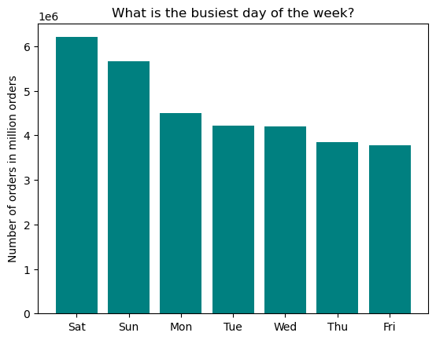


What are the busiest hours of the day?
 | In the morning hours, the number of orders is lowest. The number of orders starts to increase slowly after 5am. It reaches a first peak at 11am followed by a slight drop and a second, lower peak at 3pm. The core time for orders to be placed is between 9am and 5pm.

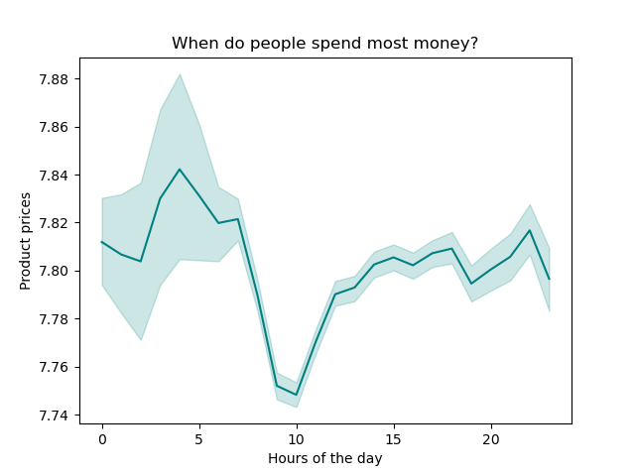
When do people spend most money?
 | Higher-priced products are ordered after midnight until ca. 3-4am. After that, prices of products ordered drop until 10am. From 10am, they rise steadily until ca. 9-10pm with a slight dip at ca. 7pm.

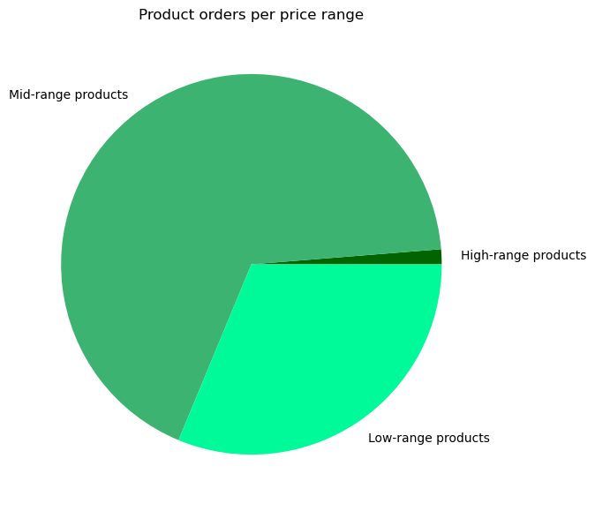
How can products be grouped according to price range? |  | Which product price ranges create most revenue?
 |  | The majority of products fall into the mid-range category. Only very few products fall into the high-range category.

 |  |  | Sum of revenue
 |  | price_range_loc
 |  | High-range product | $8,102,771.40 | 0.39%
 |  | Low-range product | $29,255,100.10 | 1.41%
 |  | Mid-range product | $2,038,363,641.00 | 98.20%
 |  | Total | $2,075,721,512.50

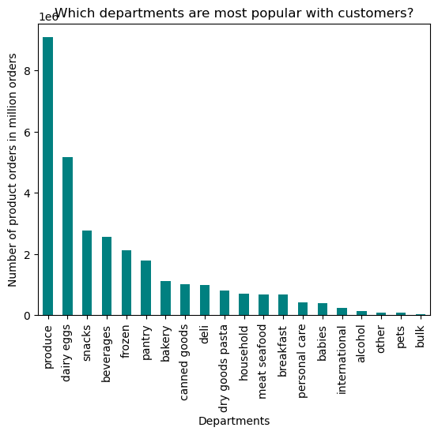
Which departments have the highest frequency of product orders?
 | Produce and dairy eggs stand as they have by far the highest number of orders among all departments.

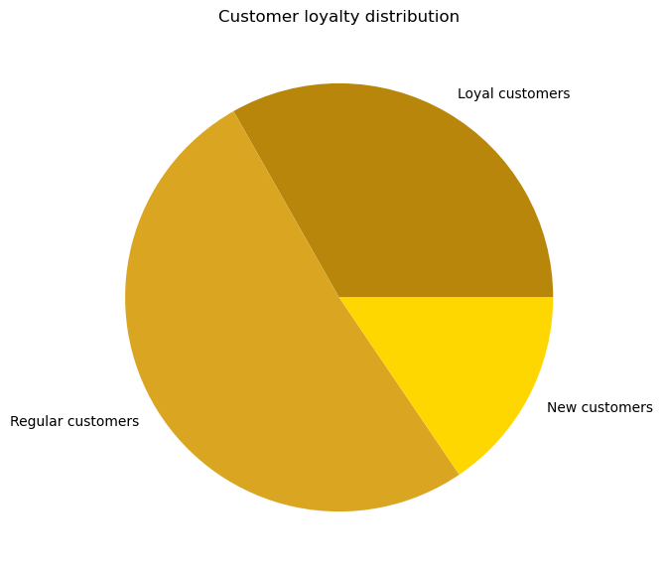
What's the distribution of users in terms of brand loyalty?
 |  | Most customers, i.e. almost 50%, are regular customers followed by loyal customers who make up the second largest group.

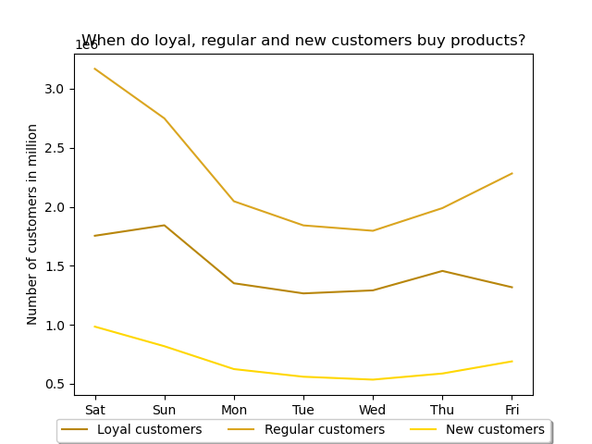
Are there differences in ordering habits based on a customer’s loyalty status?
 | Overall, orders of loyal, regular and new customers are similarly distributed throughout the week. The only noticable slight difference is that for regular and new customers the peak of orders is on Saturdays, whereas for loyal customers the peak is on Sundays.

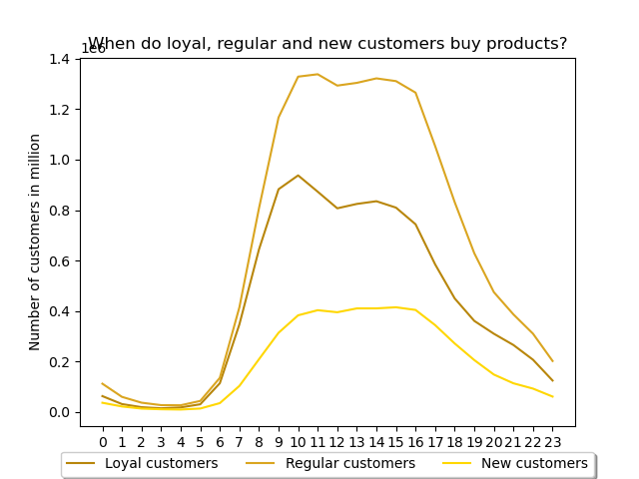

 | The distribution of orders throughout the day follows a similar pattern for loyal, regular and new customers. Most orders are placed between ca. 9am and 5pm.

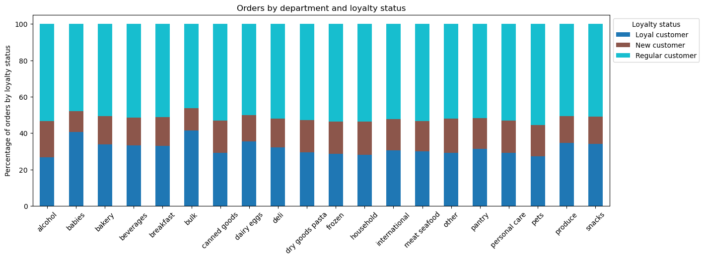

 |  | The composition of customers in terms of loyalty category per department roughly follows the overall customer loyalty distribution. The only noticeable exeptions are babies and bulk where the ratio of new customers is lower.

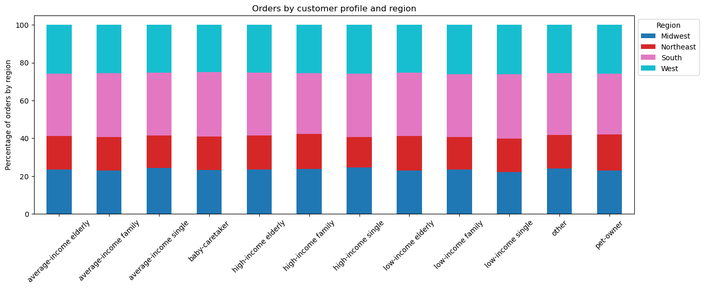
Are there differences in ordering habits based on a customer’s region?
 |  | The distribution of customer profiles across regions is very similar across all regions.

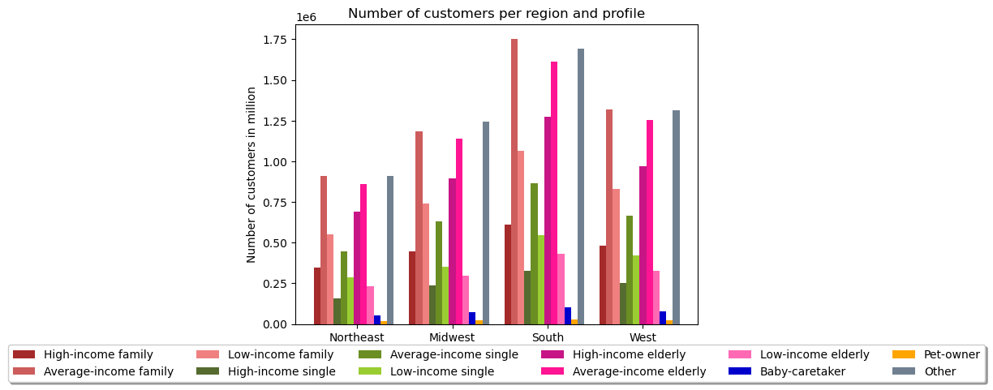
 |  | In none of the regions does any of the customer profiles stand out.

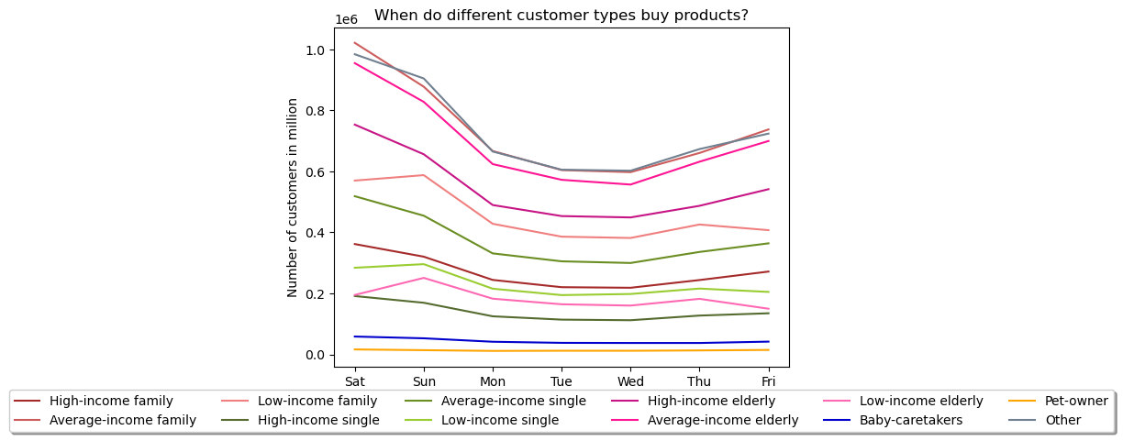
What differences can you find in ordering habits of different customer profiles?
 |  | Orders of customers with different profiles have similar patterns of ordering habits thoughout the week. The only exeptions are low- and average-income elderly customers. Their peak days are Sunday and Thursday whereas for all other profiles, the peak days are Saturday and Friday.

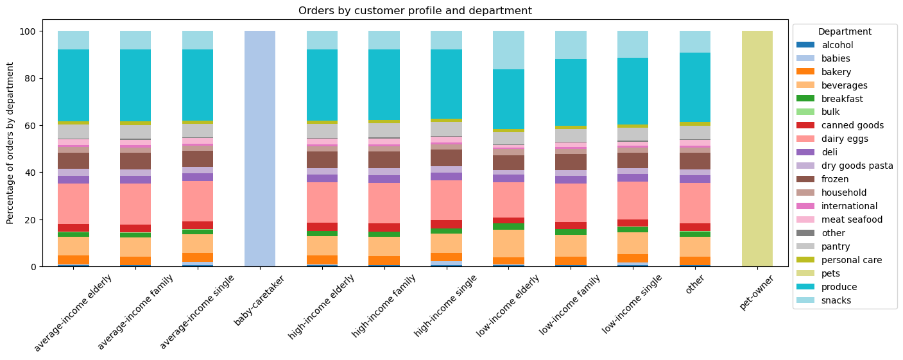 |  | The ration of departments from which products are bought is relatively similarly across customer profiles. One observation that would need further investigation are the products from the babies department that are visible in the low-, average- and high-income singles bars. Looking into the actual data shows that there are 0 product orders for the babies deparment for high-, average- and low-income families.

7. Recommendations
 |  |  | Title page

Recommendations

In this tab you should include any recommendations you would made to Instcart in terms of their marketing strategy based on the questions posed in the brief. Every key question has been covered in the Tasks of the Exercises - here you need to add an item - a visualisation or table/crosstable that is showing the answer in the data, acompanied by a comment from you. Please, list the questions below and add the answer underneath.

Question | Answer | Visualisations
What are the busiest days of the week and hours of the day? | As the busiest days are Saturdays and Sundays and most orders are placed between approx. 9am and 5pm, ads should be increased during those times. Email tagetting of customers could also take place on Fridays based on their recent purchases. This might lead them to buy more once they place their orders on Saturdays and Sundays. | For visualisations supporting the recommendations provided here, see tab 6. Visuationzations.
When do customers spend most money? | Higher-priced products are ordered after midnight until ca. 3-4am. During this time, ads for the high-range products in Instacart's product palette could be placed. Between ca. 10am and 10pm ads for mid- and low-range products are the better choice.
How can products be grouped according to price range? | To group products into three categories, products with a price of max. 5$ were considered low-range, products with a price above 5$ and up to max. 15$ mid-range, and products above 15$ high-range. This categorisation showed that 67% of the products ordered fall into the mid-range category, 31% into the low-range category, and only 2% into the high-range category. Given that Instacart makes 98% of revenue with mid-range products, it could consider dropping high-range products from its products palette and focus fully on low- and mid-range products
Which departments have the highest frequency of product orders? | Produce and, interestingly, dairy eggs are by far the most popular departments. Further departments with orders above 2 million are snacks, beverages and frozen. When considering adding new products to their palette, Instacart should consider adding more products to those departments. Conversely, it is not recommended to add products to the five departments with the lowest number of orders. They are bulk, pets, alcohol, international, and babies.
How do types of customers differ in their ordering behaviour? | First of all, it is noteworthy that most customers return to Instacart regularly, having a maximum number or orders above 10 and up to max. 40. Instacart could use this insight to specifically target the group of new customers (max. 10 orders placed) to tie them to Instacart and further increase the share of regular customers.
 | Secondly, the peak of orders for regular and new customers is on Saturdays whereas loyal customers peak on Sundays. Instacart could therefore specifically target loyal customers with ads on Saturdays and Sundays to nudge them to buy more on their most popular day.
 | Thirdly, the popularity of departments for loyal, regular and new customers is following a similar pattern with one exeption: for bulk and babies the ratio of new customers is slightly lower. Hence, these departments are not a good choice for ads supposed to target new customers.
 | Forth, when looking at ordering habits across customer profiles and the four main US regions, the pattern is extremely similar across regions. Tagetted advertisement based on geographical data at the regional level is therefore not recommended. However, this could be further investigated if disaggregated data for cities vs. periphery was available.
 | Fifth, orders of customers with different profiles have similar patterns of ordering habits thoughout the week. The only exeptions are low- and average-income elderly customers. Their peak days are Sunday and Thursday whereas for all other profiles, the peak days are Saturday and Friday. Hence, those customers could be specifically targetted on Saturdays/Sundays and Wednesdays/Thursdays with ads.

